Note


Financed Emissions Tool

Version 1.1

The National Bank of Georgia (NBG) is committed to maintaining the relevance and accuracy of the Financed Emissions (FE) Tool. To ensure its continued effectiveness, the NBG will update the tool at least once a year to incorporate new data and other advancements.

The latest version of the FE Tool will be made available for download on the NBG's official website (https://nbg.gov.ge/en/page/climate-change). We encourage all users to regularly visit our website to access the most up-to-date and comprehensive version of the tool.

Disclaimer
The Financed Emissions Tool is expressly designed and intended for use by Georgian financial institutions exclusively. Any other form of commercial utilization is strictly prohibited.

The NBG maintains proprietary rights over this tool and is distributed under its specific authorization to assist financial institutions in their operations. The Tool and any related materials may not be transferred, assigned, sublicensed, or redistributed to any third parties without the explicit written consent of the NBG. Redistributing or sharing the Tool with other parties for their use is not allowed.

By accessing this tool, you acknowledge your understanding of and adherence to the terms and conditions outlined in this disclaimer.

Contact Person NBG
Salome Tvalodze
Head of Sustainable Finance Division
Financial Stability Department
G. Lortqipanidze St. #4, Tbilisi, 0105, Georgia |
Tel: +995 322 406 287 | +995 555 575171
Salome.Tvalodze@nbg.gov.ge
www.nbg.gov.ge

Explanation
Welcome to the Financed Emissions Dashboard!

This Excel-Tool consists of three sheets: You are now on the first sheet labeled "Explanation". This
sheet contains an overview and explanation of the "Data" sheet, which is used for data-input and
the calculations. The results of the explanations are presented on the sheet "Result-Dashboard".

Data Sheet
This sheet contains a complete compilation of data necessary to give an estimate of the total financed
emissions of your bank. The assessment logic is an adaptation of the PCAF concept (Partnership for
carbon accounting financials). Please refer to this link for more information on PCAF:
https://carbonaccountingfinancials.com/

Please note that in this version of the tool, we are using averaged data on sector level instead of
detailed information on customer level, as the later is only available from very view companies.
Consequently, the precision and quality of this is far from an exact measure, but still adequate to
give an informed estimate in the circumstance of limited data (this equals quality score 3b in PCAF-
terms). In the future, as more detailed data becomes available, the available options will improve.

Nace-Code
Column A contains the sector-code. In this tool, the international NACE code system is used.
Please refer to this link for more information on NACE: |  | https://nacev2.com/en
Depending upon the available data on "Assets" and "Emissions" (see below), the granularity of the
sectors differs: For most sectors, data input is done at the sub-sector level. For others, however,
several sub-sectors had to be combined because the asset data or emission data was only available
for this specific combination. In such a case, Column A contains the codes for all sectors concerned.
Example: In line 14, the sub-sectors "Manufacture of Food Products", "Manufacture of Beverages"
and "Manufacture of Tobacco Products" are combined. Hence, in column A ,we find their respective
codes of C 10, C 11 and C12.

Sector Description
Column B contains the associated sector name. What kind of economic activities the sector contains
is listed in great detail when referring to this address: |  | https://nacev2.com/en

Loan Volume in GEL
Column C contains the loan volume, which is the only information that you need to input yourself.
Please only use the fields with a yellow backgroundcolor for your input, fields with a grey background
color contain aggregated data which should not be changed.
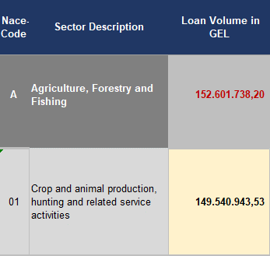
Example: | Here, only the loan volume for the sub-sector A 01 "Crop
 | and animal production…" should be inserted, the volume
 | contained under A "Agriculture, Forestry and Fishing" is
 | an aggregation of all sub-sectors and will be calculated
 | automatically.
 | Please note that on the level of Assets or Emissions the
 | available data was not detailed enough to allow for a more
 | differentiated input concerning the forms of agriculture.

Volume (%)
Column D is calculated automatically, it sets the loan volume in relation to the total portfolio volume.

Assets
Column E contains the "Assets" on sector level. It is used as a denominator for the "Attribution Factor".
The data for the assets of the Georgian economic sectors was sourced from SARAS based on statistical
data of companies CAT I-IV from 2021, the update status is June 2023.
For more information on SARAS, please refer to: |  | https://reportal.ge/en/?lang=en-US

Attribution Factor per Sector
Column F contains the calculation of the "Attribution Factor". It is an important result and derived as
follows: By dividing the bank's loan through the total assets of the sector it can be seen which part
of the sector's capital has been financed by the bank. As this capital enables emissions, the part of
the sector's capital is equaled with the part of the sector's emissions and thus multiplied with these.
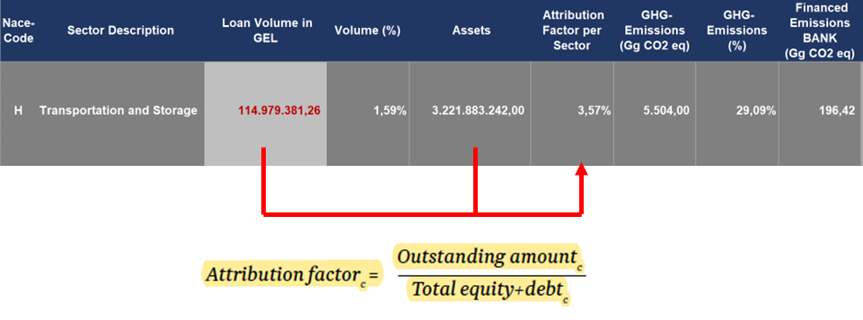
Example:

GHG-Emissions (Gg CO2 eq)
Column G contains the 2017 GHG-emissions of Georgia as reported towards the Paris Agreement
and have an update status of 2021. As more recent data becomes available, this will be included in
the tool. However, as emission data can be considered rather static for the time being, the lack of
up-to-datedness is not considered critical. Please note that - in adherence to the required format of
the data source - this figure is not given in CO2 equivalents but in Gigagrams (Gg) of CO2 equivalents.
For more transparency, in the Result-Dashboard this figure is translated to Tons (t) of CO2 equivalents.
As a Gigagram is 1 billion Grams, Gigagrams can be converted to Tons by the multiplier of *1000.

GHG-Emissions (%)
Column H is calculated automatically, it sets the emission volume in relation to the total emissions.

Financed Emissions BANK (Gg CO2 eq)

Column I contains the core result of the calculation. Using the GHG-emission volume of the sector
and the Attribution Factor, the Financed Emissions on bank-level are calculated. Please note that this
result is again given in Gigagrams (Gg), for the "Result-Dashboard" it is translated to Tons (t).
Example:

Loan Volume in GEL COUNTRY
Column J contains the total loan volume issued to legal entities for the sector under consideration.
It is used as a reference in order to set the financed emissions of each bank into context and compare
it with the total of the whole country. The loan volumes are fed from the reports of the NBG reporting
system and have an update status of June 2023.

Attribution Factor per Sector COUNTRY

In analogy to column F, the same operation to estimate the Attribution factor is performed on country
level in column K.

Financed Emissions COUNTRY (Gg CO2 eq)

Lastly, Column L completes the calculation of the financed emissions on country level with the same
operation that has been explained for the banks in column I.

As a final remark, please note that the only input from your side is the loan volume on sector level
in the yellow fields. Please consider possible aggregations of sectors that are indicated in columns
A and B. Please do not change other fields that the yellow fields in column C. Thank you.

Result-Dashboard Sheet
The Result Dashboard on the third sheet offers you a transparent way of presenting the calculation's
results in comparison between bank and country data. Please note that because of differing portfolio
compositions, the figures may require some esthetic adaptation after data input.

In the figures used, the volume of the major sectors are given on the figure itself while the results for
smaller, less important sectors are given on the right as an overview. If you want to change this or if
you prefer another form of representation, please feel free to change the figures to your needs and
wishes. To enable you to adapt this data sheet to your needs, a lock has been deliberately omitted.

Thank you for using this tool.

Result-Dashboard
 | Financed Emissions per Sector (BANK)

 | Financed Emissions (Country) |  | Total Emissions (Country) |  |  |  |  | Financed Emissions (Bank) cumulative | Total Emissions COUNTRY:
 |  |  |  |  |  |  |  |  | 14,084,000 | t CO2 eq

 |  |  |  |  |  |  |  |  | Financed Emissions COUNTRY:
 |  |  |  |  |  |  |  |  | 4,828,723 | t CO2 eq
 |  |  |  |  |  |  |  |  | 34.29% | of total

 |  |  |  |  |  |  |  |  | Financed Emissions BANK:
 |  |  |  |  |  |  |  |  | - | t CO2 eq
 |  |  |  |  |  |  |  |  | 0.00% | of country

Bank |  | Bank |  | Country
Kusys | Aktivität/Branche | Financed Emissions in t CO2 e |  | Financed Emissions in t CO2 e |  | Total Emissions in t CO2 e
 |  |  |  |  |  |  |  |  |  |  | Copy Bank
A | Agriculture, Forestry and Fishing | - | #DIV/0! | 1,627,575.04 | 33.71% | 2,308,000.00 | 16.39% |  |  |  | -
B | Mining and Quarrying | - | #DIV/0! | 10,381.69 | 0.21% | 76,000.00 | 0.54% |  |  |  | -
C | Manufacturing: Food, Beverages & Tobaco | - | #DIV/0! | 816,884.77 | 16.92% | 2,097,000.00 | 14.89% |  |  |  | -
C | Manufacturing: Chemicals | - | #DIV/0! | 282,009.06 | 5.84% | 678,000.00 | 4.81%
C | Manufacturing: Rubber and Plastic | - | #DIV/0! | 168,213.66 | 3.48% | 532,000.00 | 3.78%
C | Manufacturing: Metals | - | #DIV/0! | 362,287.42 | 7.50% | 989,000.00 | 7.02%
C | Manufacturing: Other | - | #DIV/0! | 17,495.63 | 0.36% | 155,000.00 | 1.10%
D | Electricity, Gas, Steam and Air Conditioning Supply | - | #DIV/0! | 39,554.78 | 0.82% | 407,000.00 | 2.89% |  |  |  | -
E | Water Supply, Sewerage, Waste Management and Remediation Activities | - | #DIV/0! | 582.90 | 0.01% | 41,000.00 | 0.29% |  |  |  | -
F | Construction | - | #DIV/0! | 325,801.90 | 6.75% | 1,045,000.00 | 7.42% |  |  |  | -
G | Wholesale and Retail Trade | - | #DIV/0! | 134,735.77 | 2.79% | 541,000.00 | 3.84% |  |  |  | -
H | Transportation and Storage | - | #DIV/0! | 710,223.10 | 14.71% | 3,633,000.00 | 25.80% |  |  |  | -
I | Accommodation and Food Service Activities | - | #DIV/0! | 126,530.34 | 2.62% | 381,000.00 | 2.71% |  |  |  | -
J | Information and Communication | - | #DIV/0! | 2,144.10 | 0.04% | 54,000.00 | 0.38% |  |  |  | -
K | Financial and Insurance Activities | - | #DIV/0! | 8,357.80 | 0.17% | 51,000.00 | 0.36% |  |  |  | -
L | Real Estate Activities | - | #DIV/0! | 22,041.21 | 0.46% | 114,000.00 | 0.81% |  |  |  | -
M | Professional, Scientific and Technical Activities | - | #DIV/0! | 3,343.91 | 0.07% | 26,000.00 | 0.18% |  |  |  | -
N | Administrative and Support Service Activities | - | #DIV/0! | 5,669.98 | 0.12% | 24,000.00 | 0.17% |  |  |  | -
O | Public Administration and Defence, Compulsory Social Security | - | #DIV/0! | - | 0.00% | 277,000.00 | 1.97% |  |  |  | -
P | Education | - | #DIV/0! | 33,809.42 | 0.70% | 109,000.00 | 0.77% |  |  |  | -
Q | Human Health and Social Work Activities | - | #DIV/0! | 91,587.70 | 1.90% | 251,000.00 | 1.78% |  |  |  | -
R | Arts, Entertainment and Recreation | - | #DIV/0! | 29,009.24 | 0.60% | 249,000.00 | 1.77% |  |  |  | -
S | Other Service Activities | - | #DIV/0! | 10,483.51 | 0.22% | 46,000.00 | 0.33% |  |  |  | -
T | Activities of Households as Employers | - | #DIV/0! | - | 0.00% | - | 0.00% |  |  |  | -
U | Activities of Extraterritorial Organisations and Bodies | - | #DIV/0! | - | 0.00% | - | 0.00% |  |  |  | -
 |  | - | #DIV/0! | 4,828,722.94 | 100.0% | 14,084,000.00 | 100.0% |  |  |  | -

